Index
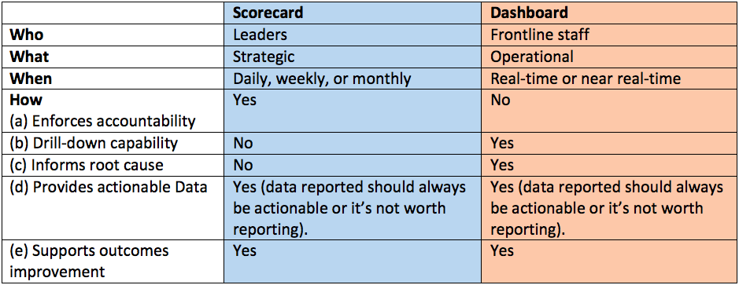
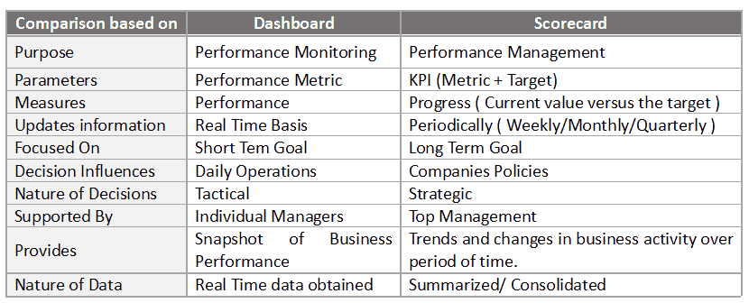
Performance Scorecards | What? | A performance scorecard is a graphical representation of the progress over time of some entity, such as an enterprise, an employee or a business unit, toward some specified goal or goals.
 | Why? | The most important advantages include the ability to bring information into a single report, which can save time, money, and resources.
 | Differ from Dash | The performance scorecard is often confused with the dashboard. The main difference between the two is that a dashboard, like the dashboard of a car, indicates the status at a specific point in time; a scorecard, on the other hand, displays progress over time.
 | Differ from Dash | Performance scorecards are often said to be a visual answer to the question, "How are we doing?"

1/ Metrics | Base Metrics
1/ Metrics | KPI's | KPIs are metrics used to evaluate factors that are crucial to the success of an organization; targets are specific goals for those indicators.
1/ Metrics | Lag and Lead Indicators
2/ Frame of Referance | What?
2/ Frame of Referance | Either Time - Daily, Weekly, Monthly, Quarterly, Yearly
2/ Frame of Referance | Target or Goal
3/ Context | Stakeholders
3/ Context | Order of the Information
3/ Context | Views/Filters

